Sheet2
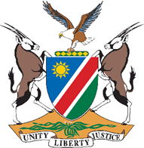 REPUBLIC OF NAMIBIA

PROCUREMENT IMPROVEMENT ACTION PLAN
Name of Public Entity:
No. | Audit Gap/Challenge | Audit Recommendation | Planned Activities/Interventions | Indicator | Target |  |  |  | Challenges
 |  |  |  |  | 2026/27 | 2026/27 | 2026/27 | 2026/27
 |  |  |  |  | Q1(Apr-Jun) | Q2(Jul-Sep) | Q3(Oct-Dec) | Q4(Jan-Mar)

Public entity has flexibility to set quarterly periods and targets as necessary. E.g. If Audit Report was completed during September 2026, the Quarterly Targets may commence with Oct-Dec Q3 (2026/27); Jan-Mar Q4 (2026/27); Apr-Jun Q1 (2027/28) and Jul-Sep (2027/28).
Approved - Accounting Officer (Name): |  |  |  | Signature: |  |  | Date:

